(User Registration)
USER REGISTRATION WORKFLOW - VISUAL DIAGRAM

 | User | Client Application | User Service | Database

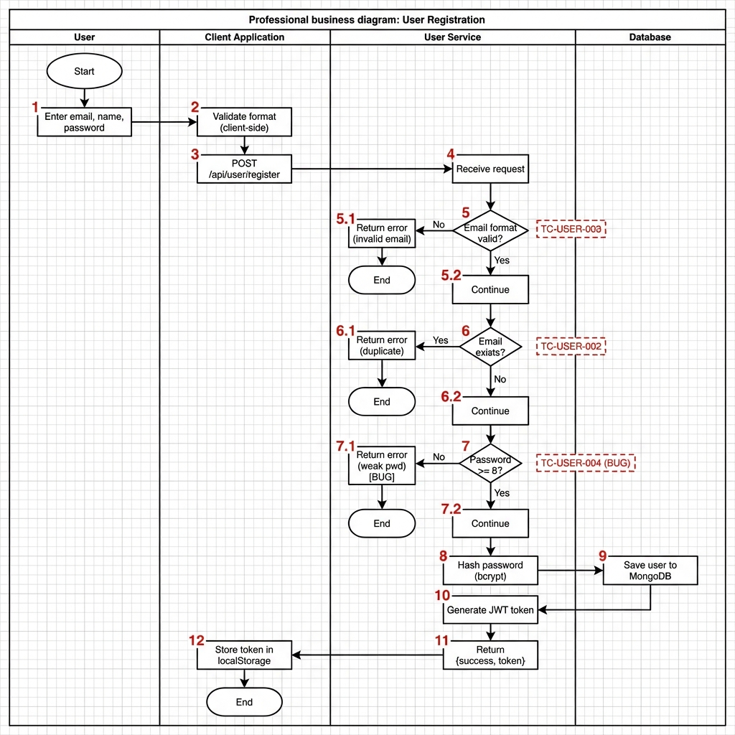 QUY TRINH DANG KY NGUOI DUNG NUMBERING SCHEME (So danh dau tren diagram): |- 1: User nhap email, name, password |- 2: Frontend validate format |- 3: Gui POST /api/user/register |- 4: Backend nhan request |- 5: Validate email format (QUYET DINH) | |- 5.1: Invalid -> Error -> End (WF_2 - TC-USER-003) | L- 5.2: Valid -> Tiep tuc |- 6: Kiem tra email ton tai (QUYET DINH) | |- 6.1: Ton tai -> Error -> End (WF_3 - TC-USER-002) | L- 6.2: Khong ton tai -> Tiep tuc |- 7: Validate password length (QUYET DINH) | |- 7.1: Qua ngan -> Error -> End (WF_4 - TC-USER-004 BUG!) | L- 7.2: Hop le -> Tiep tuc |- 8: Hash password (bcrypt) |- 9: Luu user vao MongoDB |- 10: Tao JWT token |- 11: Tra ve {success, token} |- 12: Luu token vao localStorage L- End (WF_1 - TC-USER-001) 4 WORKFLOWS DAY DU: WF_1 - Thanh cong (TC-USER-001): 1->2->3->4->5(V)->5.2->6(X)->6.2->7(V)->7.2->8->9->10->11->12->End WF_2 - Email khong hop le (TC-USER-003): 1->2->3->4->5(X)->5.1->End WF_3 - Email trung (TC-USER-002): 1->2->3->4->5(V)->5.2->6(V)->6.1->End WF_4 - Password yeu (TC-USER-004 - BUG): 1->2->3->4->5(V)->5.2->6(X)->6.2->7(X)->7.1->End LUU Y: - KHONG CO STEP 13! Diagram ket thuc o step 12, sau do la "End" (oval, khong co so) - Moi workflow deu co "End" point rieng

